Sheet1 (2)
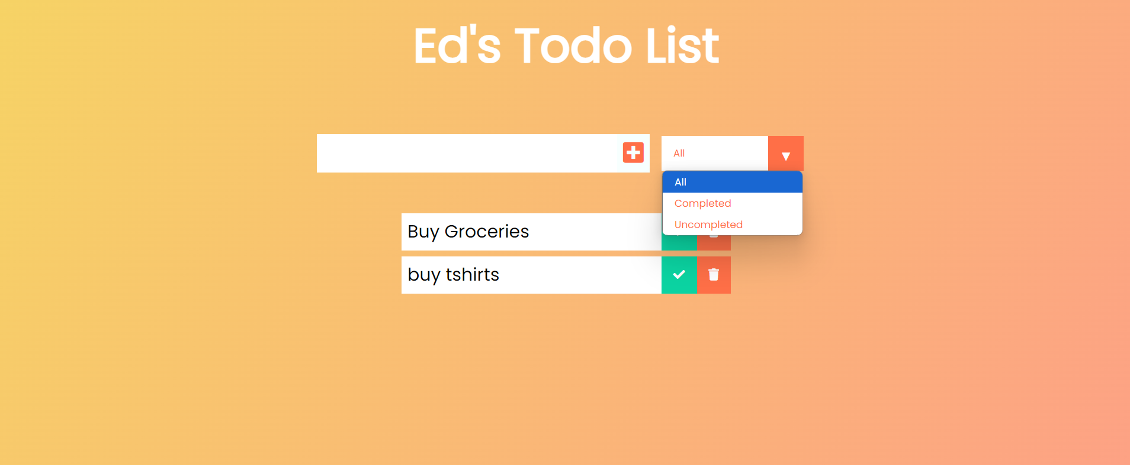
Test Case ID | Description | Preconditions | Steps to Execute | Expected Results | Notes
TC01 | Verify that a new todo item is added to the list after submitting the form and is visible in the UI. | The user is on the Todo list page with the application loaded. | 1. Locate the input field where the new todo item text is entered. | - The new todo item is added to the list. | Ensure that the application handles empty input fields or invalid inputs appropriately.
 |  |  | 2. Enter a specific text (e.g., "Buy groceries") into the input field. | - The text of the new todo item matches the input text (e.g., "Buy groceries").
 |  |  | 3. Locate and click the "Add Todo" button. | - The new todo item is visible in the UI.
 |  |  | 4. Verify that the new todo item appears in the list.
TC02 | Verify that clicking on a checkbox or marking a todo item as completed updates its status and reflects the change in the UI. | The user has at least one todo item in the list. | 1. Locate the checkbox or other completion marker associated with the todo item.e.g.,(1. All, 2. Completed, 3. Uncompleted) | Locate the todo item in the list | Make sure the UI consistently reflects the completed state across different views or sessions if applicable.
 |  |  | 2. Click the checkbox to mark the todo item as completed. | - The todo item’s status is updated to completed.
 |  |  | 3. Verify that the UI reflects the completed status (e.g., completed tick mark in green color). | The UI visually indicates that the item is completed
TC03 | Verify that a todo item can be deleted and is no longer visible in the list after deletion. | The user has at least one todo item in the list. | 1. Locate the delete button or icon associated with the todo item to be deleted. | The todo item is removed from the list. | Verify that the deletion operation does not affect other items in the list and that it handles any edge cases, such as deleting items that are already completed.
 |  |  | 2. Click the delete button or icon.
 |  |  | 3. Verify that the todo item is no longer visible in the list. | - The todo item is not visible in the UI after deletion.

